Sheet1
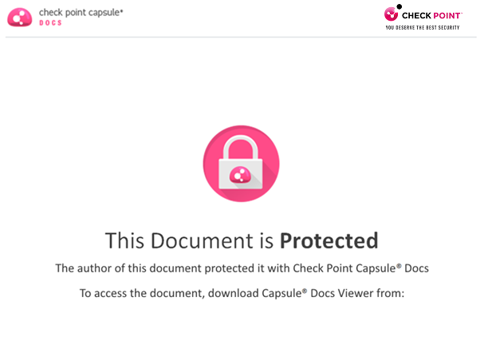

http://CapsuleDocs.com

